CEA
CML Customer's Name |  | Becom.AT.Hochstrass | Issued by Factory Engineer | Sunny Yang
CML Customer's P/N |  | UBL3928--A | Factory P/N | JA2C719EA0
CML P/N |  | 04R012526.A00 | Date | 2022-08-22

Customer Engineering Approval
The changes listed below have been approved by the customer through the technical queries before the production start of the samples.
Choosen Base Material |  | FR4 S1170G Halogen free with TG170 | Choosen Solder Mask | see Q1

No | Description of the Problem/picture | Suggestion/Proposal | Customer Response | EQ Status
1 | Rongda H-9100 8G is defined in file, but it's not our normal material | Suggestion: use Rongda H-9100 6GHB glossy green with Halogen free | confirmed
2 | About the markings | 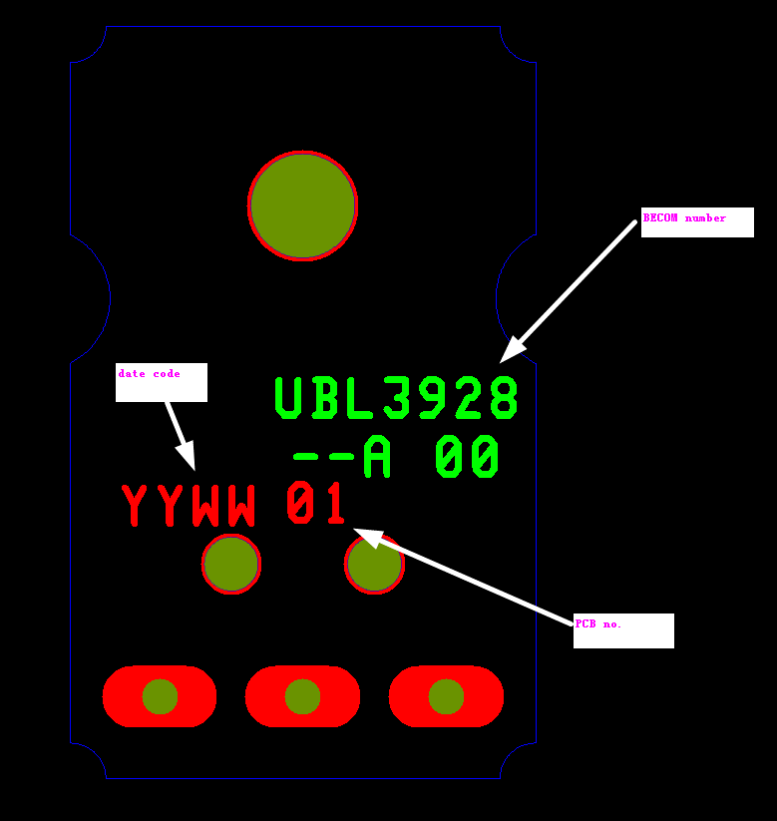 We'll plase customer's number,PCB-no. and date code in pcs on bot S/M layer, details refer to below and also place UL markings (CML-G 7DF E330796 c兄us 94V-0) in breakaway on bot S/M layer | CML MN: confirmed
3 | 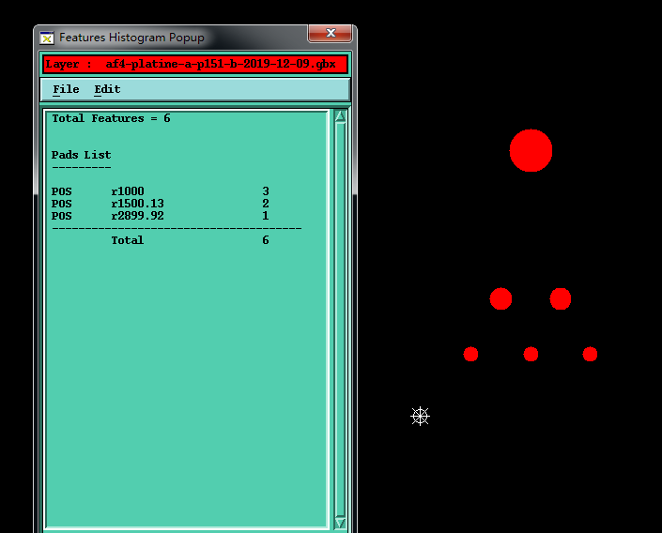 No attributes for holes | 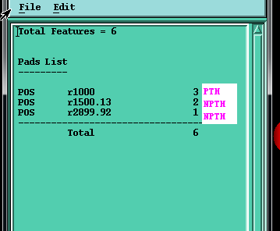 Suggestion: control as picture below | CML MN: confirmed
4 | 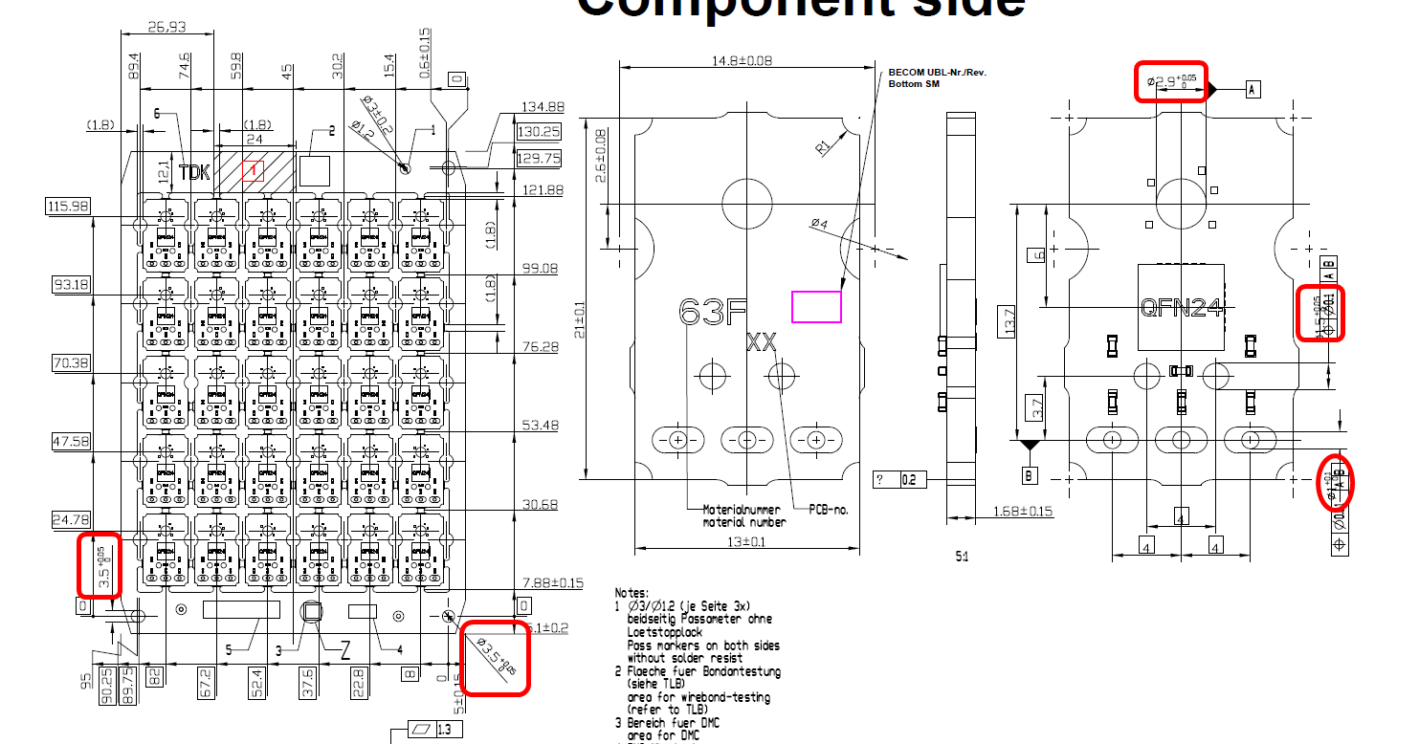 As snapshot below，the tolerance of holes is too tight | suggestion： NPTH and NPTH slot：relax +0.05/0 to +0.1/-0 PTH:relax +0.1/-0 to +0.15/-0 | you can relax NPTH to +/-0.05 you can relax PTH to +/-0.075
5 | 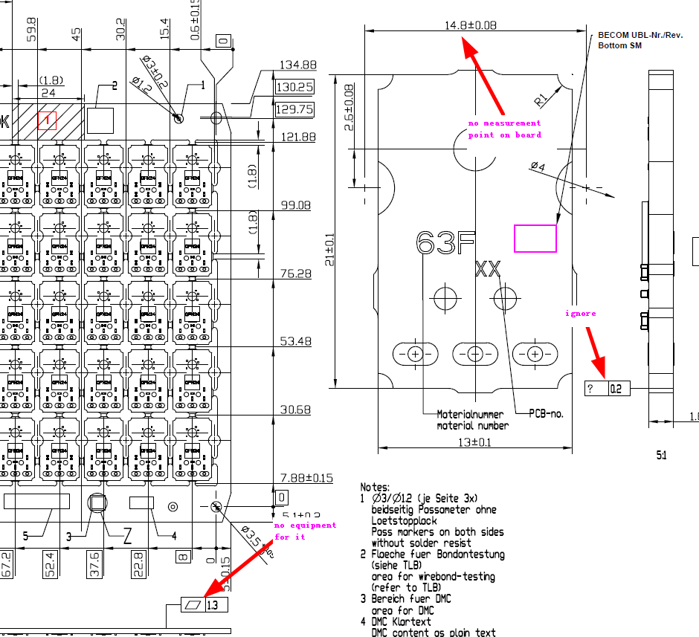 As snapshot below，we can't inspect some dimentions | Suggestion： ignore them | ignore them
6 | 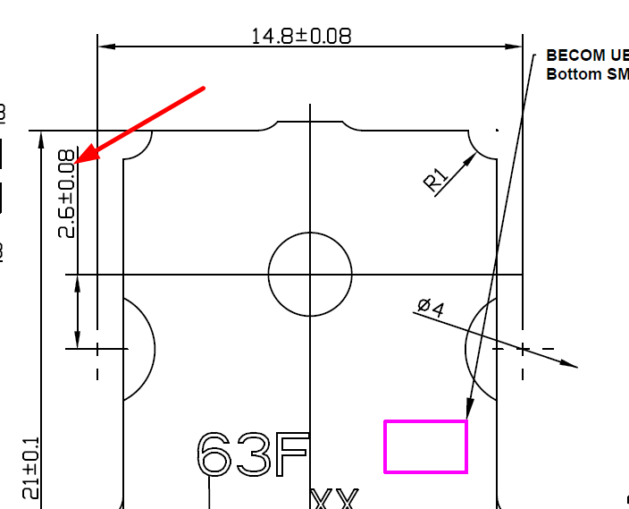 The tolerance of hole to outline is only +/-0.08mm，we can't meet it | Suggestion： relax it from +/-0.08mm to +/-0.13mm | confirmed
7 | 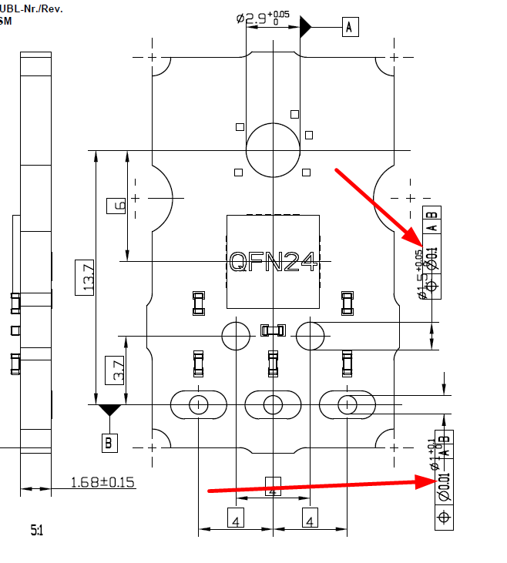 some position tolerance is too tight | Suggestion： control hole to hole as +/-0.076mm | confirmed
8 | 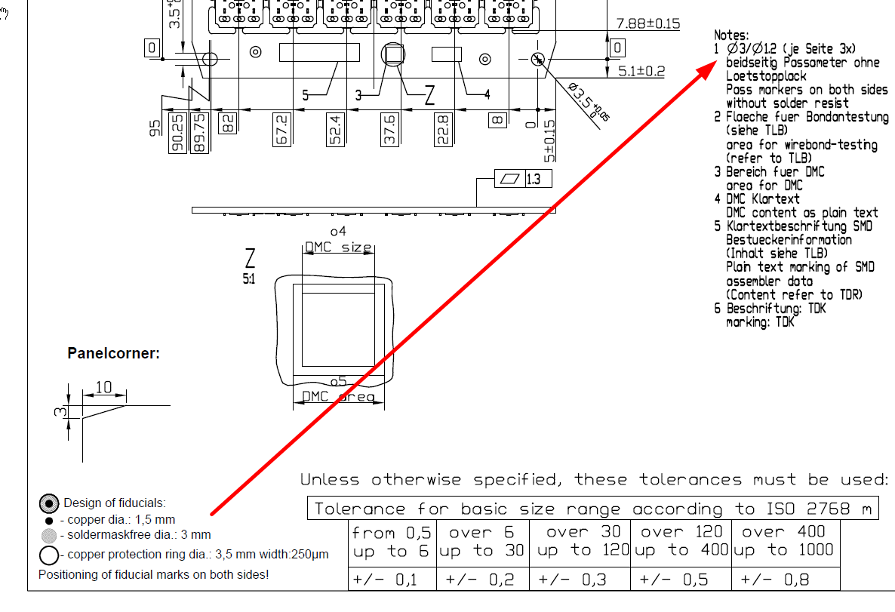 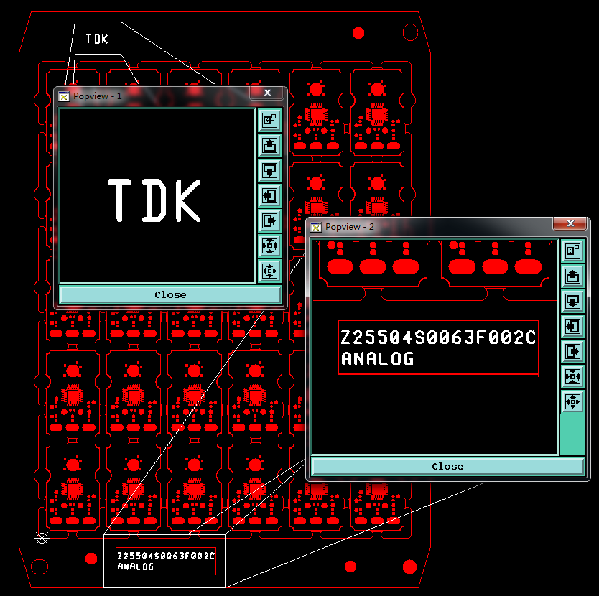 About the feautres on breakaway，we have questions below： 1.about the fiducial markings， there is a conflict in drawing 2.some features without position on X-axle and Y-axle in drawing 3.we'll place text on top S/M layer for note 5 and note 6,details refer to below 4.For the note 3,note 4 and Becom panel-DMC, we'll only keep these area with covering solder mask and no copper, not need to place any other content 5.About the area for wirebond-testing, we'll add it with copper and without solder mask | Suggestion： 1.to build fiducial markings following note 1 and ignore picture below 2.Place these fearures in routhly the breakaway according to the drawing 3.please confirm 3,4and 5 | BECOM DS: 1. OK 2. Don't understand the question 3. Confirmed 4. Follow this instruction: 5. Ignore it, no need for wirebond-testing
9 | 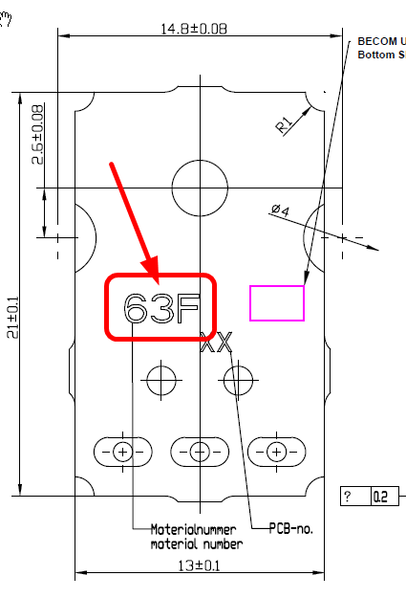 In order to avoid mistake, please confirm that we only need to place 63F on BOT S/M layer according drawing | Pleae confirm | BECOM DS: Confirmed
10 | 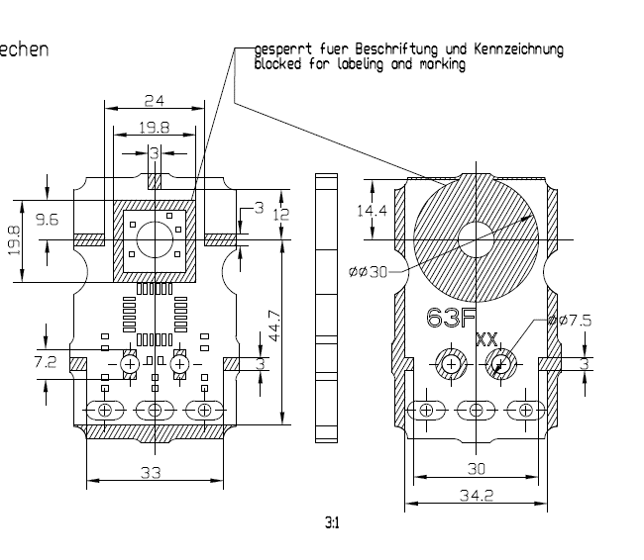 these dimensions in drawing below can not be measured on board | Suggestion ignore it | CML MN: confirmed
11 | About the base materail and board thickness | We'll build as below: base material:1.6mm( including copper) H/H OZ finished board thickness:1.68+/-0.15mm surface finished copper:35um Min. | BECOM DS: Confirmed
12 | we can't meet some requirements below: 1. 100% automatic X-ray inspection 2.magnification 15x | Suggestion: 1.ignore it 2.use our normal tooling-magnification 10x | follow 2. (no X-ray needed)
13 | 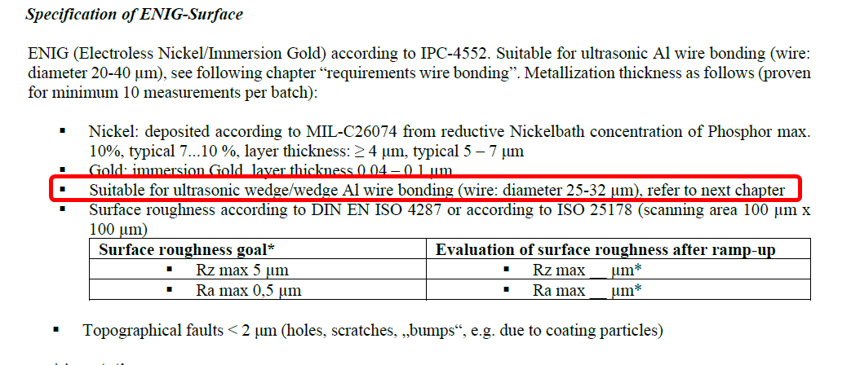 About the surface,we don't know what should be controled for A1 wire bonding | 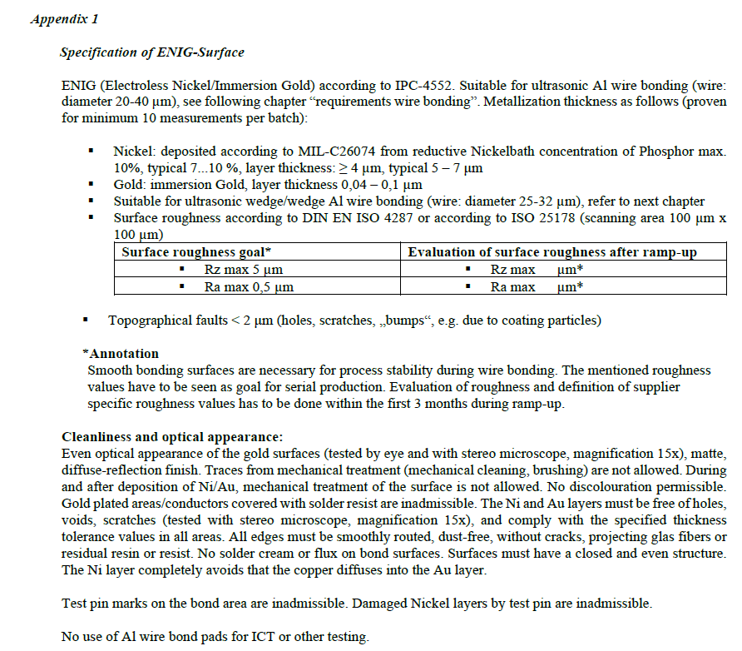 Suggesion: only control the thickness of Ni/Au,content of phosphor and surface roughness following Appendix 1 | confirmed
14 | 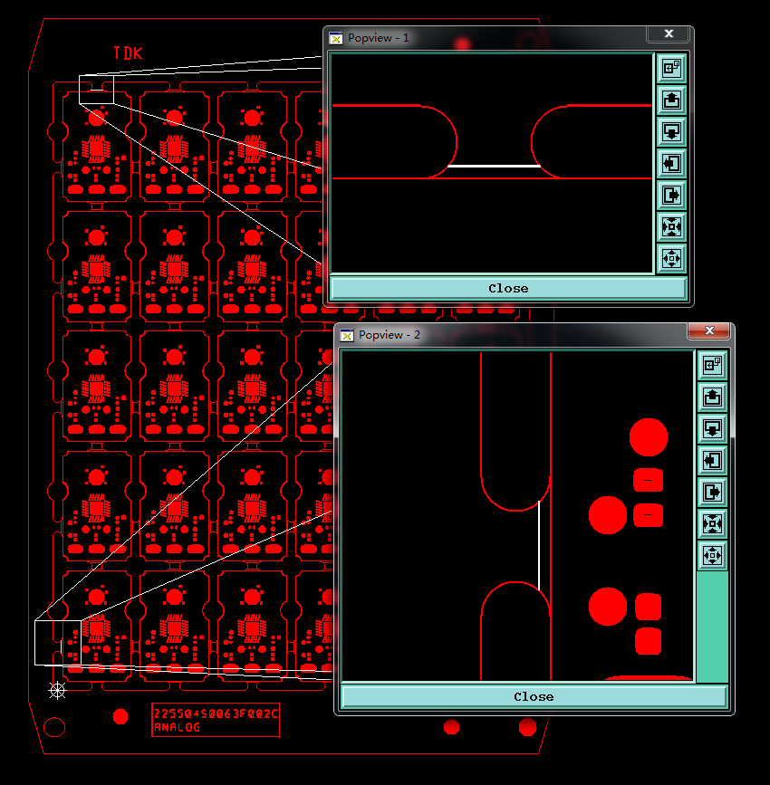 As picture shown, there are some features on the bridges, we don't know what we shoud do with them | Suggesion: Ignore them | BECOM DS: Confirmed
15 | 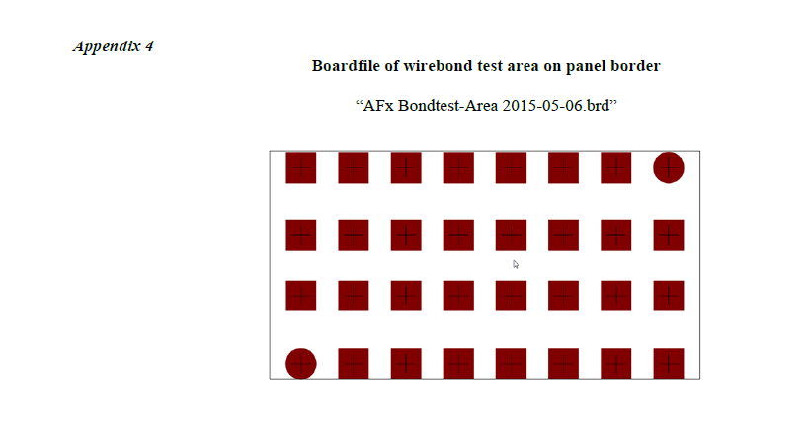 Some requiements are nothing to do with PCB manufactor | Suggesion: Ignore them | ignore DMC, BOM and delivery form. It is for assembly. But we need area for wire bonding. Wire bonding area is defined on panel frame (see note 2 on drawing).
Date |  |  | Customer's Signature
2022-08-30 |  |  | CML: M.Neeff Becom: Mail from PCB support Becom

